Frame Order Form
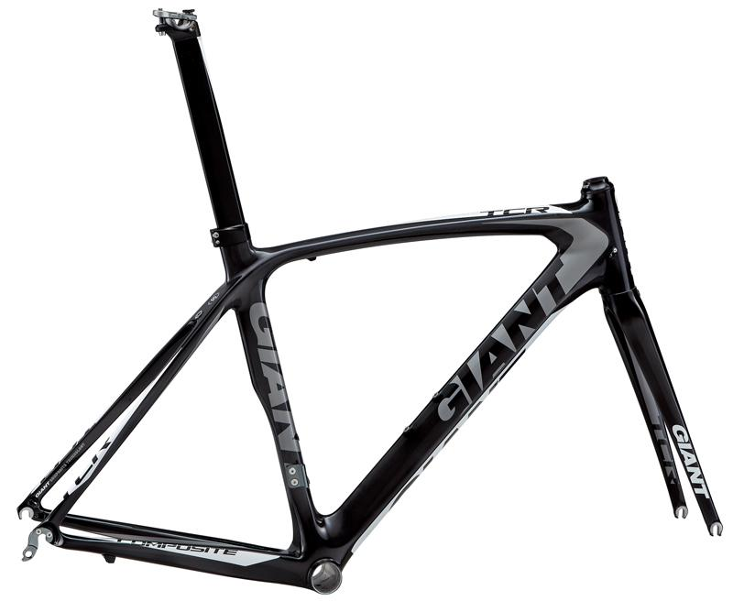
Item number | QTY | Item name
 |  |  | Retail | Team/Club Special
14567 |  | TCR Composite Frameset XS Black/White/Silver | $1,100 | $525
14568 |  | TCR Composite Frameset S Black/White/Silver | $1,100 | $525
14569 |  | TCR Composite Frameset M Black/White/Silver | $1,100 | $525
14570 |  | TCR Composite Frameset M/L Black/White/Silver | $1,100 | $525
14571 |  | TCR Composite Frameset L Black/White/Silver | $1,100 | $525
14572 |  | TCR Composite Frameset XL Black/White/Silver | $1,100 | $525

14507 |  | TCR Advanced SL ISP Frameset XS Composite/White/Silver | $3,048 | $1,536
14508 |  | TCR Advanced SL ISP Frameset S Composite/White/Silver | $3,048 | $1,536
14509 |  | TCR Advanced SL ISP Frameset M Composite/White/Silver | $3,048 | $1,536
14510 |  | TCR Advanced SL ISP Frameset M/L Composite/White/Silver | $3,048 | $1,536
14511 |  | TCR Advanced SL ISP Frameset L Composite/White/Silver | $3,048 | $1,536
14512 |  | TCR Advanced SL ISP Frameset XL Composite/White/Silver | $3,048 | $1,536
14513 |  | TCR Advanced SL ISP Frameset XS White/Black/Silver | $3,048 | $1,536
14514 |  | TCR Advanced SL ISP Frameset S White/Black/Silver | $3,048 | $1,536
14515 |  | TCR Advanced SL ISP Frameset M White/Black/Silver | $3,048 | $1,536
14516 |  | TCR Advanced SL ISP Frameset M/L White/Black/Silver | $3,048 | $1,536
14517 |  | TCR Advanced SL ISP Frameset L White/Black/Silver | $3,048 | $1,536
14518 |  | TCR Advanced SL ISP Frameset XL White/Black/Silver | $3,048 | $1,536

14519 |  | TCR Advanced SL Frameset XS Composite/Black/Red | $2,952 | $1,488
14520 |  | TCR Advanced SL Frameset S Composite/Black/Red | $2,952 | $1,488
14521 |  | TCR Advanced SL Frameset M Composite/Black/Red | $2,952 | $1,488
14522 |  | TCR Advanced SL Frameset M/L Composite/Black/Red | $2,952 | $1,488
14523 |  | TCR Advanced SL Frameset L Composite/Black/Red | $2,952 | $1,488
14524 |  | TCR Advanced SL Frameset XL Composite/Black/Red | $2,952 | $1,488

14525 |  | TCR Advanced Frameset XS White/Black/Silver | $1,700 | $857
14526 |  | TCR Advanced Frameset S White/Black/Silver | $1,700 | $857
14527 |  | TCR Advanced Frameset M White/Black/Silver | $1,700 | $857
14528 |  | TCR Advanced Frameset M/L White/Black/Silver | $1,700 | $857
14529 |  | TCR Advanced Frameset L White/Black/Silver | $1,700 | $857
14530 |  | TCR Advanced Frameset XL White/Black/Silver | $1,700 | $857
14532 |  | TCR Advanced Frameset XS White/Blue/Black | $1,700 | $857
14533 |  | TCR Advanced Frameset S White/Blue/Black | $1,700 | $857
14534 |  | TCR Advanced Frameset M White/Blue/Black | $1,700 | $857
14535 |  | TCR Advanced Frameset M/L White/Blue/Black | $1,700 | $857
14536 |  | TCR Advanced Frameset L White/Blue/Black | $1,700 | $857
14537 |  | TCR Advanced Frameset XL White/Blue/Black | $1,700 | $857

14541 |  | Trinity Advanced SL Frameset S Composite/White/Silver | $4,330 | $2,182
14542 |  | Trinity Advanced SL Frameset M Composite/White/Silver | $4,330 | $2,182
14543 |  | Trinity Advanced SL Frameset L Composite/White/Silver | $4,330 | $2,182

14544 |  | TCX Frameset S Black/White/Blue | $714 | $360
14545 |  | TCX Frameset M Black/White/Blue | $714 | $360
14546 |  | TCX Frameset M/L Black/White/Blue | $714 | $360
14547 |  | TCX Frameset L Black/White/Blue | $714 | $360
14548 |  | TCX Frameset XL Black/White/Blue | $714 | $360

14549 |  | TCX Advanced SL ISP Frameset S Composite/White/Silver | $2,854 | $1,438
14550 |  | TCX Advanced SL ISP Frameset M Composite/White/Silver | $2,854 | $1,438
14551 |  | TCX Advanced SL ISP Frameset M/L Composite/White/Silver | $2,854 | $1,438
14552 |  | TCX Advanced SL ISP Frameset L Composite/White/Silver | $2,854 | $1,438
14553 |  | TCX Advanced SL ISP Frameset XL Composite/White/Silver | $2,854 | $1,438

14554 |  | Omnium Frameset S Black/White/Blue | $935 | $471
14555 |  | Omnium Frameset M Black/White/Blue | $935 | $471
14556 |  | Omnium Frameset M/L Black/White/Blue | $935 | $471
14557 |  | Omnium Frameset L Black/White/Blue | $935 | $471

14559 |  | Defy Advanced SL ISP Frameset XS Black/White/Blue | $3,048 | $1,536
14560 |  | Defy Advanced SL ISP Frameset S Black/White/Blue | $3,048 | $1,536
14561 |  | Defy Advanced SL ISP Frameset M Black/White/Blue | $3,048 | $1,536
14562 |  | Defy Advanced SL ISP Frameset M/L Black/White/Blue | $3,048 | $1,536
14563 |  | Defy Advanced SL ISP Frameset L Black/White/Blue | $3,048 | $1,536
14564 |  | Defy Advanced SL ISP Frameset XL Black/White/Blue | $3,048 | $1,536

14500 |  | Reign X Frameset S Gold/Gray/Black | $1,667 | $840
14501 |  | Reign X Frameset M Gold/Gray/Black | $1,667 | $840
14502 |  | Reign X Frameset L Gold/Gray/Black | $1,667 | $840

14504 |  | Glory Frameset S Blue/Gold/White | $2,000 | $1,008
14505 |  | Glory Frameset M Blue/Gold/White | $2,000 | $1,008
14506 |  | Glory Frameset L Blue/Gold/White | $2,000 | $1,008

14565 |  | STP Frameset Reg Satin Black/Gold | $666 | $336
14566 |  | STP Frameset Lrg Satin Black/Gold | $666 | $336

14973 |  | XTC Composite 29 Frameset S Composite | $1,427 | $719
14974 |  | XTC Composite 29 Frameset M Composite | $1,427 | $719
14975 |  | XTC Composite 29 Frameset L Composite | $1,427 | $719
14976 |  | XTC Composite 29 Frameset XL Composite | $1,427 | $719

14977 |  | XtC 29er Frameset S Black/White/Silver | $590 | $298
14978 |  | XtC 29er Frameset M Black/White/Silver | $590 | $298
14979 |  | XtC 29er Frameset L Black/White/Silver | $590 | $298
14980 |  | XtC 29er Frameset XL Black/White/Silver | $590 | $298

14985 |  | Anthem X Advanced SL Frameset S Composite/Silver/Black | $3,048 | $1,536
14986 |  | Anthem X Advanced SL Frameset M Composite/Silver/Black | $3,048 | $1,536
14987 |  | Anthem X Advanced SL Frameset L Composite/Silver/Black | $3,048 | $1,536
14988 |  | Anthem X Advanced SL Frameset XL Composite/Silver/Black | $3,048 | $1,536

14989 |  | Anthem X 29er Frameset S Gray/Blue/Black | $1,571 | $792
14990 |  | Anthem X 29er Frameset M Gray/Blue/Black | $1,571 | $792
14991 |  | Anthem X 29er Frameset L Gray/Blue/Black | $1,571 | $792
14992 |  | Anthem X 29er Frameset XL Gray/Blue/Black | $1,571 | $792

14993 |  | Trance X Frameset S Gray/Blue/Black | $1,571 | $792
14994 |  | Trance X Frameset M Gray/Blue/Black | $1,571 | $792
14995 |  | Trance X Frameset L Gray/Blue/Black | $1,571 | $792
14996 |  | Trance X Frameset XL Gray/Blue/Black | $1,571 | $792

